DAY 1 (5.3.15)
2015-05-03
Truing Up Parameter on Modelcia In studio
Expeimernt File |  | 3.23.15

First Parameter to Change

Step 1. | True up electrical genertaion to get an approximation of eta_optical
Step 2. | Start at module s3m6. Look at temperature increase over cell

STEP 1. Optical Efficiency Start 66%, Final 58% Based on Electrical generation over entire array (6 modules)
Experimental errors could be; egen was not at MPP at all time of the collecton periond. Modeling error; shading matrix is approx, leading to a largeing shading factor at the end of the collection period
1. parameter Real OpticalEfficiency = 0.66;
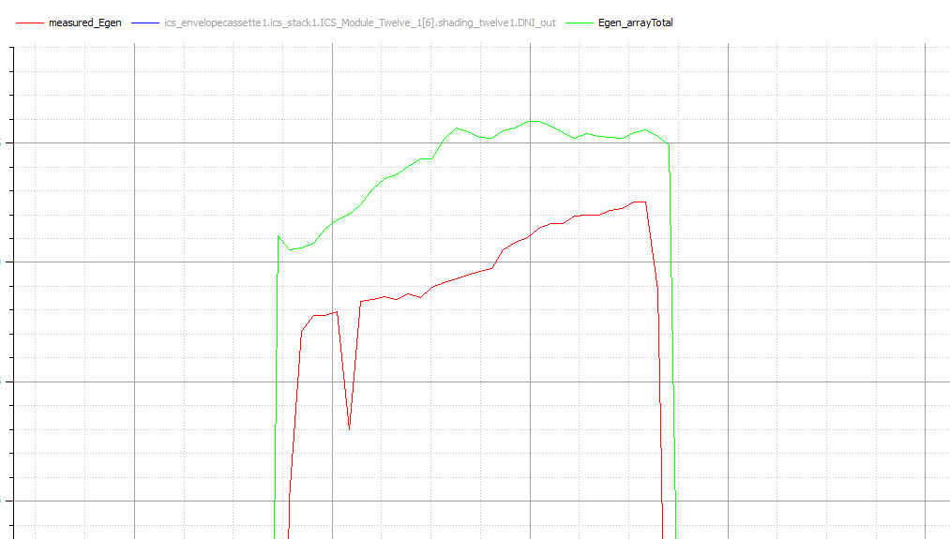

2. parameter Real OpticalEfficiency = 0.6
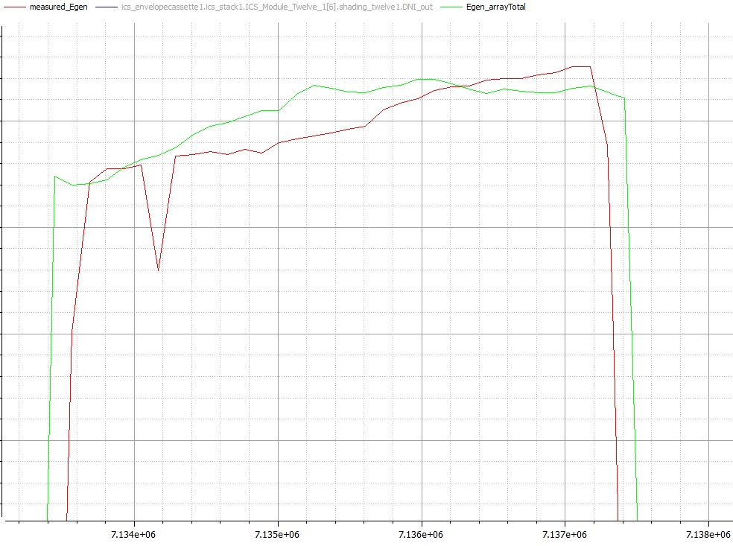

3. parameter Real OpticalEfficiency = 0.59
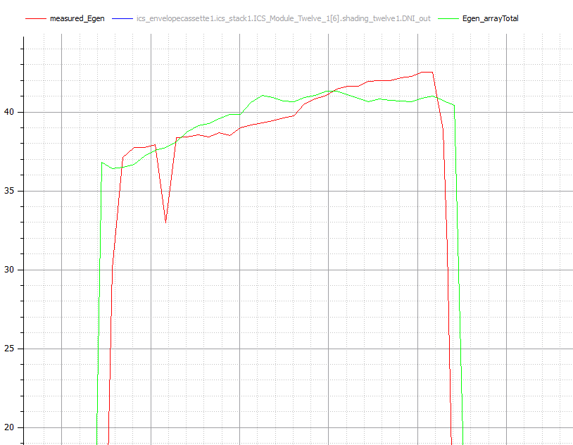

4. Paremter Real Optical Effcicemncy = 0.58 SEEM TOO LOW
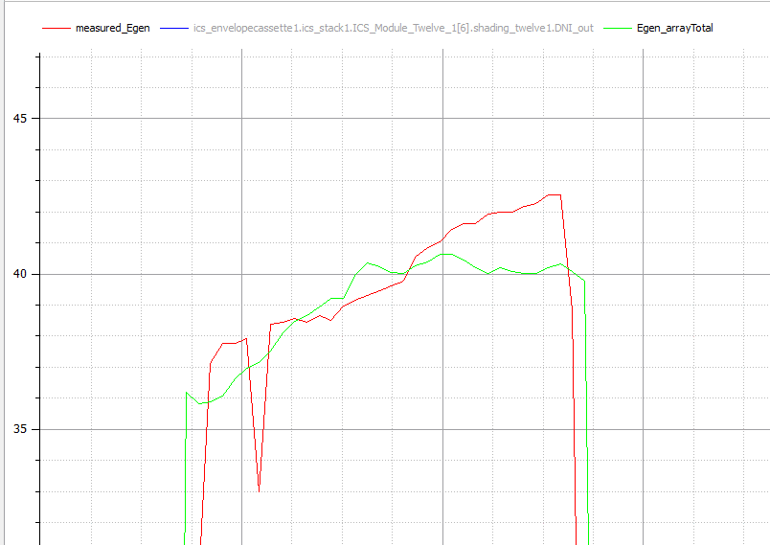

STEP 2. Checking the temps at the modules. Module 6 show below. WaterBlock resivitiy at 1.6
Little high, will attempt to adjust the theta / heat loss
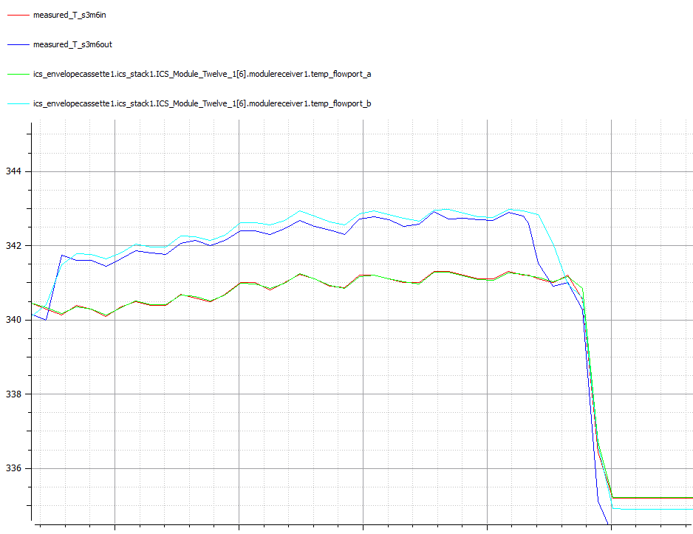

Realize that we have the we can use the reciver water block reporting from the experiment. Now showing too much heat going to point, aka the CCA resitance needs to go up |  |  |  |  | Real Resistivity_Cell = 0.2 | spec sheet says
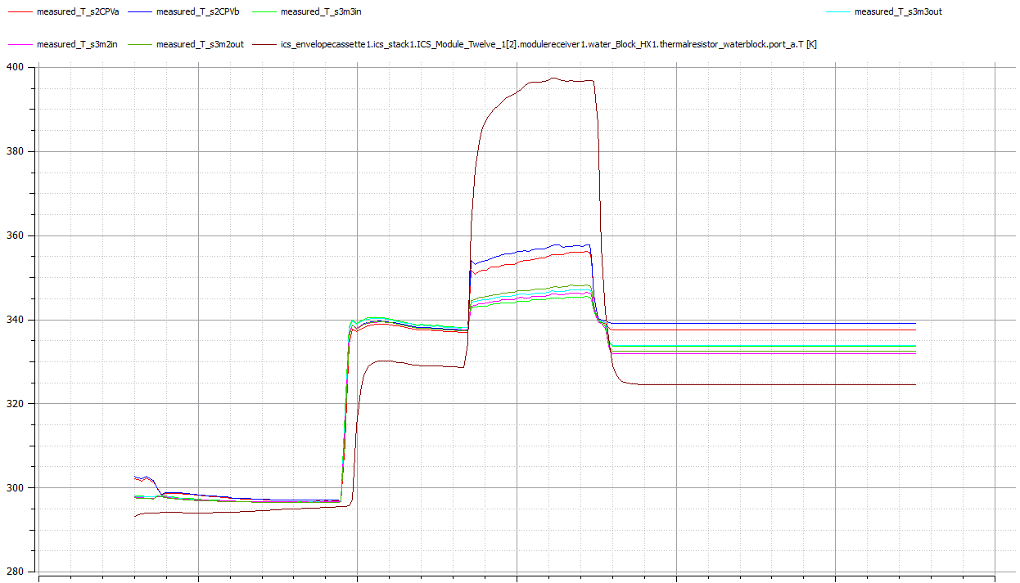
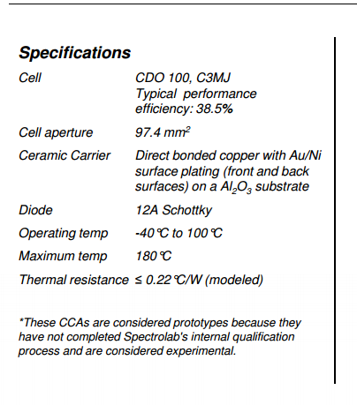

CLOSER | Real Resistivity_Cell = 4

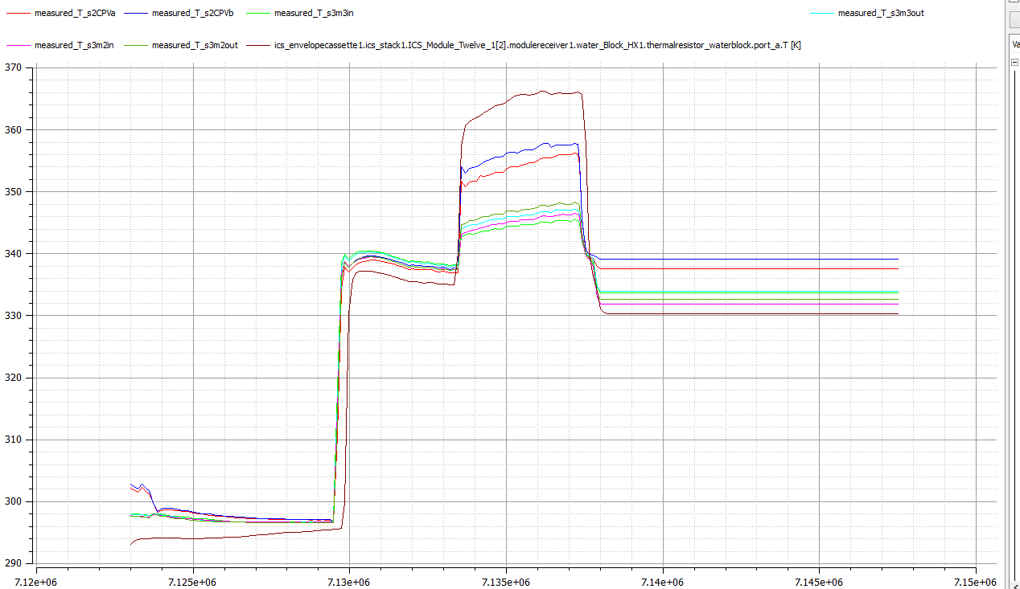

DEFAULT | Cond_RecToEnv =10 |  | change to | Cond_RecToEnv = 5
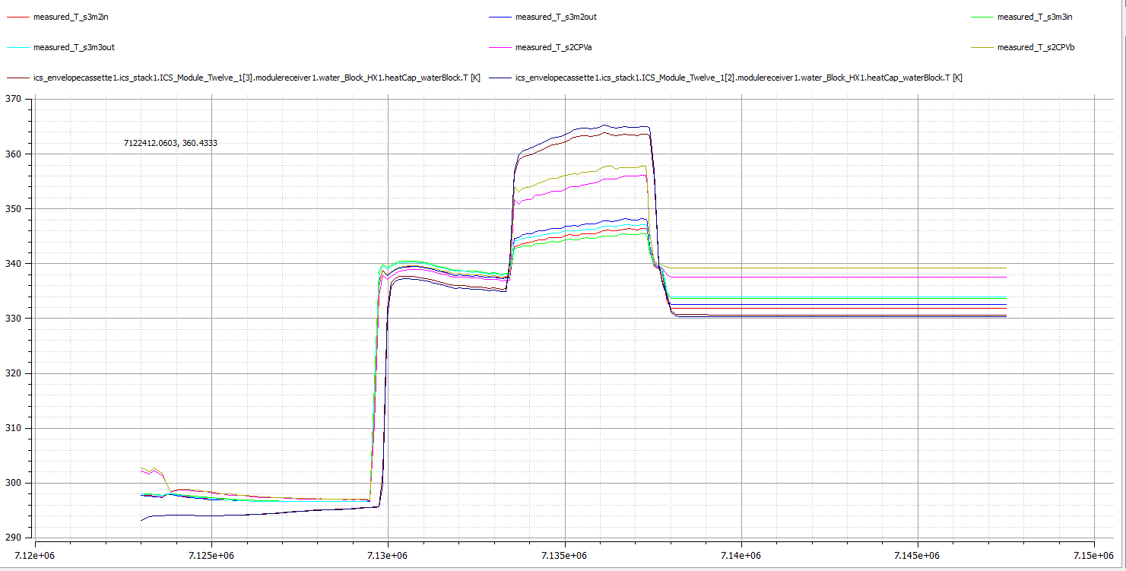

Conv at 0.5
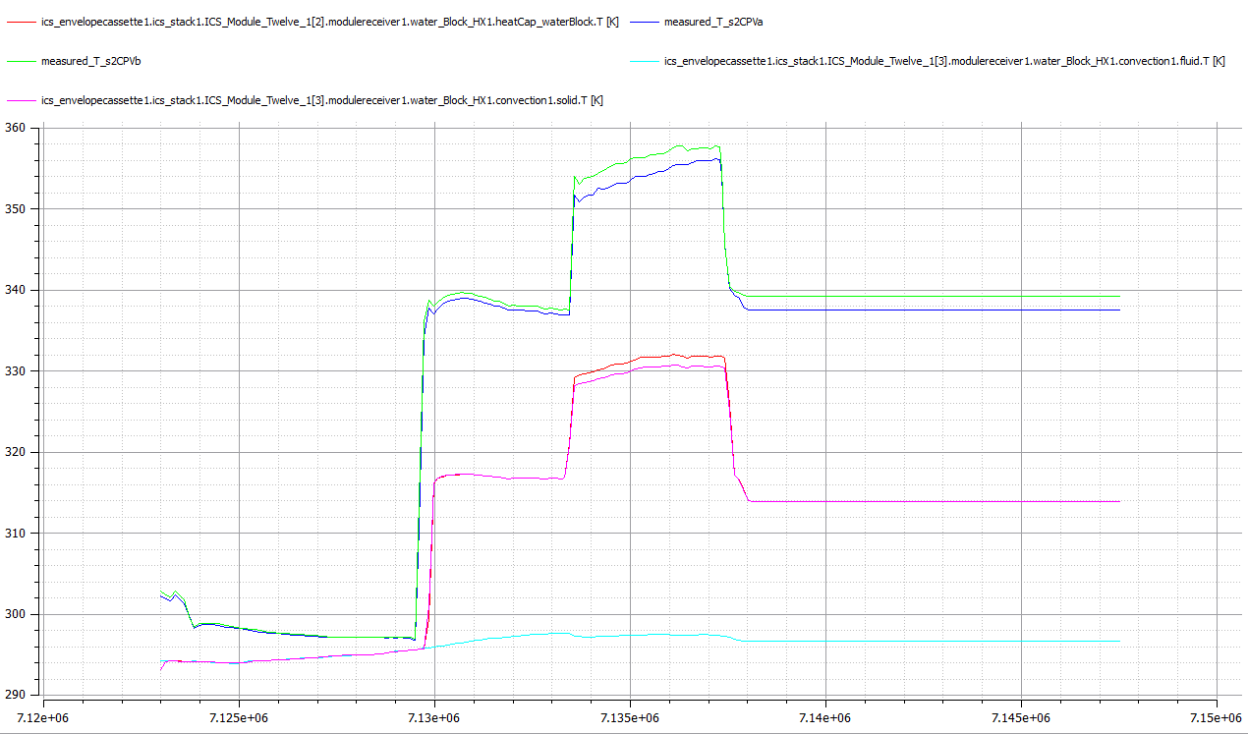

THAT’S BETTER
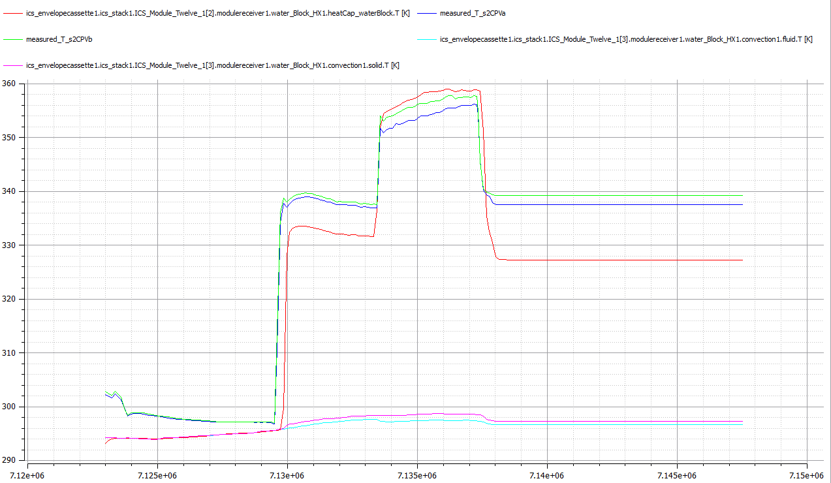

restitbty from 1.6 to 1.4

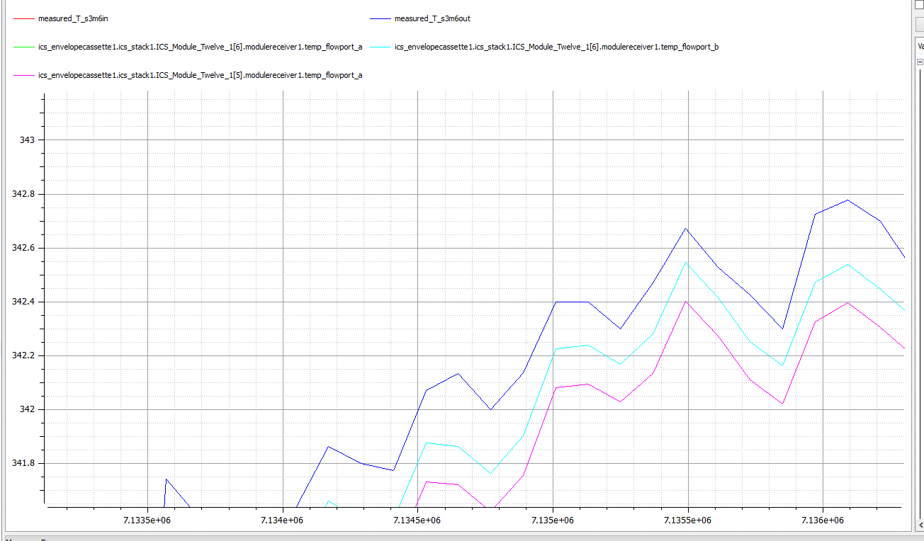

WaterPlate Resistivity to 1
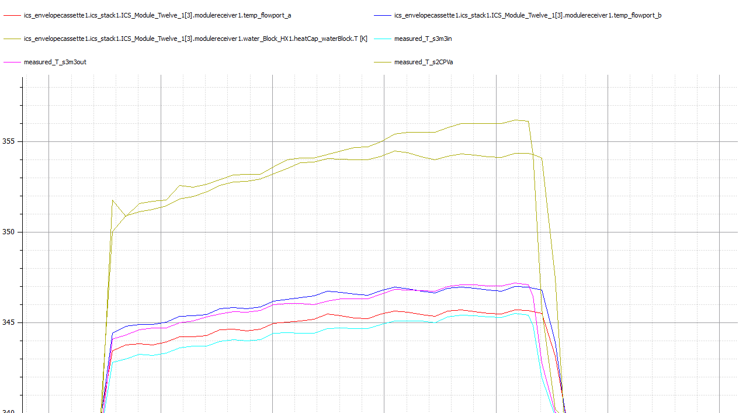

Too get above I used the following parameters

DAY 2 (5.4.15)
Starting Point
Thermal is stilll overestimated
Electrical is best case with eye ball

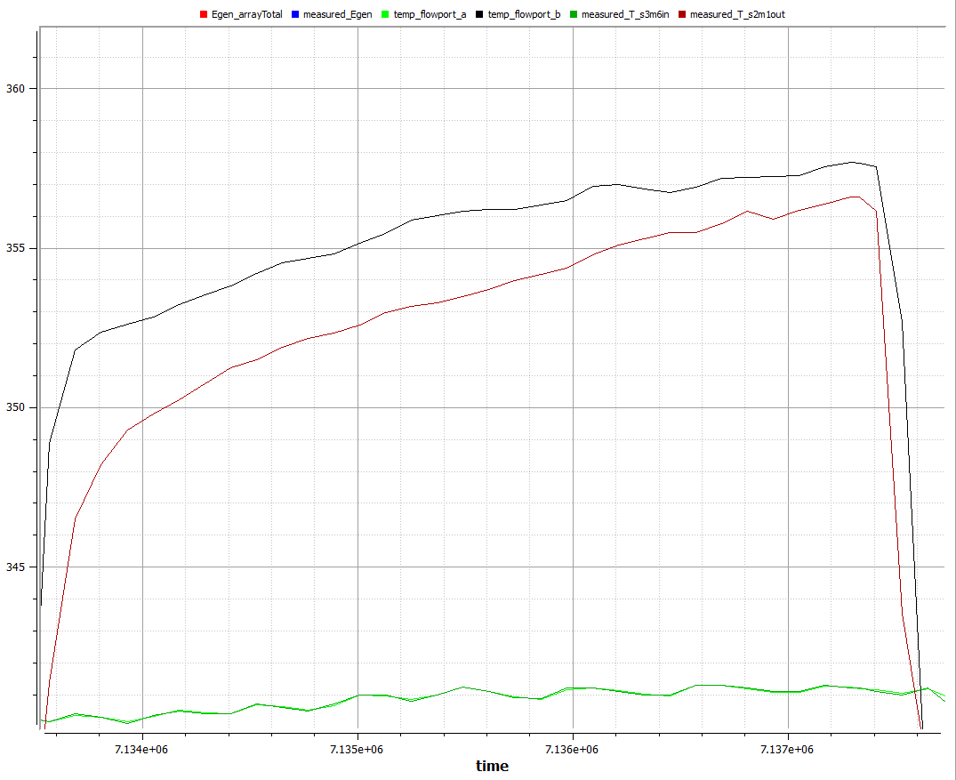

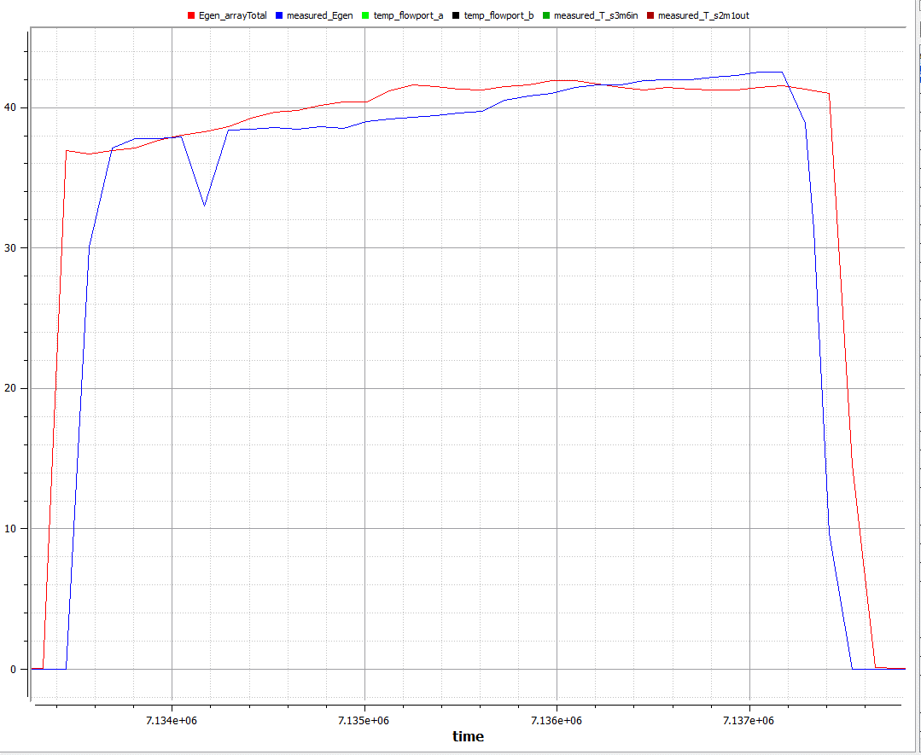

Looking at the cell temps again
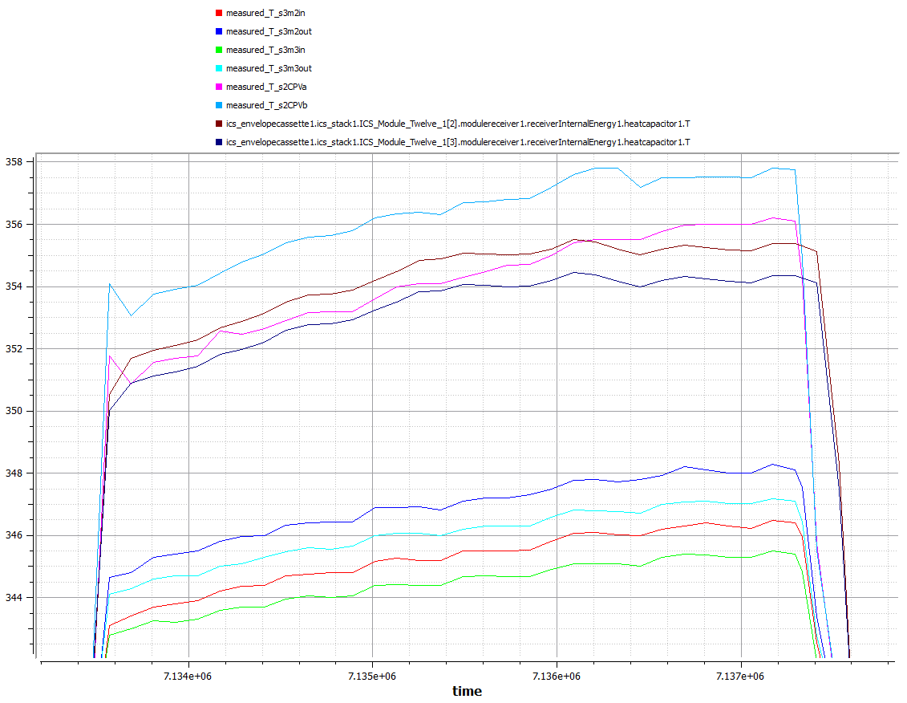

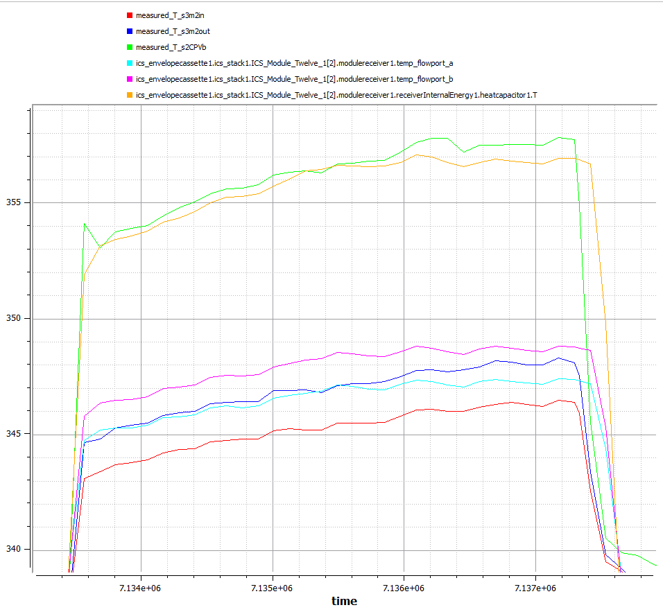
Split even between the Measured and Observated Junction Temperatures
Orginal: | Real Cond_RecToEnv = 0.1 | Now: | Real Cond_RecToEnv = 0.08
Temp lift looks good, looking to inclease the losses then in heated pipe
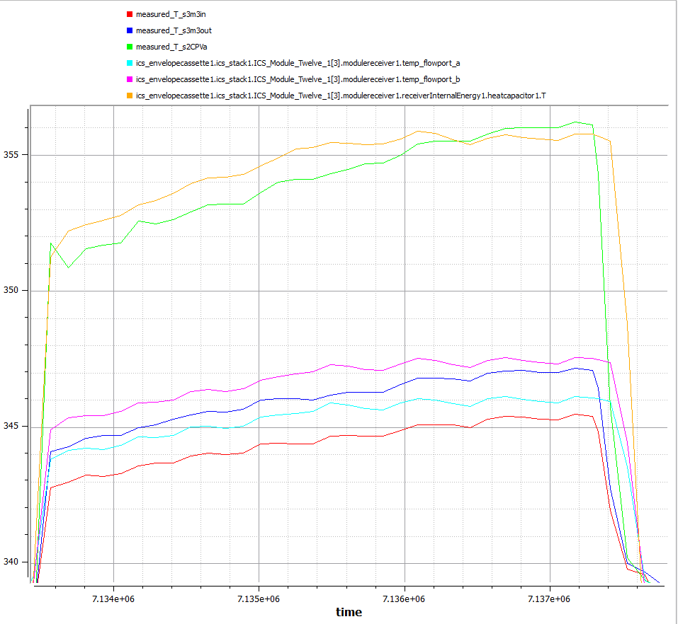

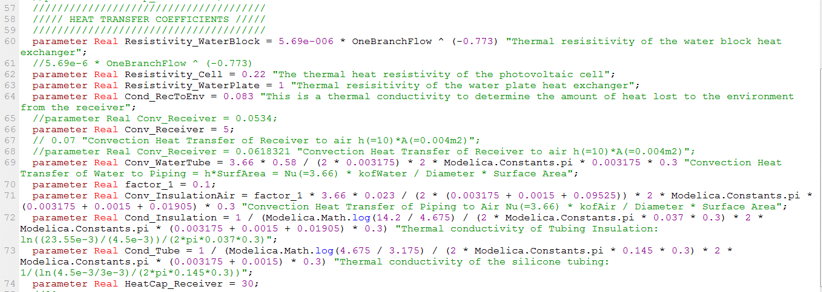
Looking losses between runs, there are 5 temps of intererst; 1. water temp, 2. tube interior wall, 3. (tube exteritor/insulation interior), 4. (insulatio exterior temp) 5. ambient
Exisitngg show all the loss over the last convection lost.
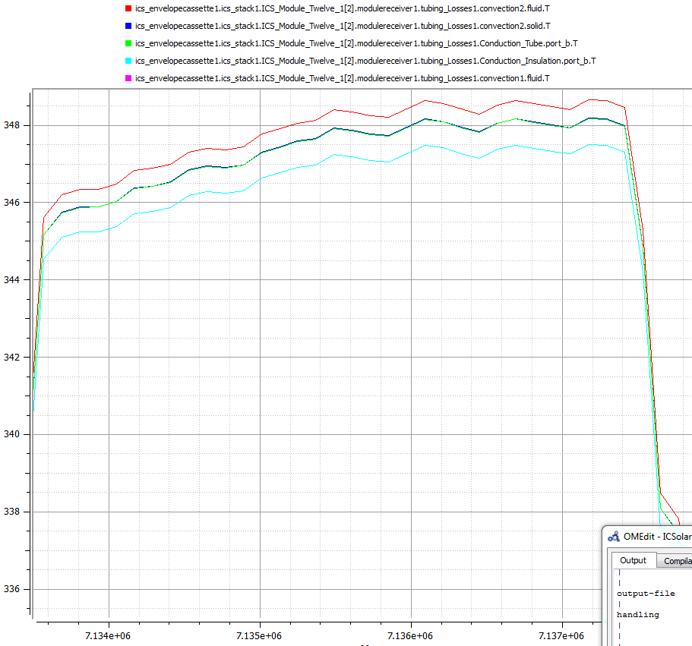

The 5 temps look more appropriatly spaced
An adjustment factor was added to each resistance value (4 in series)
Next step will be to keep the relative resistances the sames, but adjust to make the overall loss line up to meaasured results
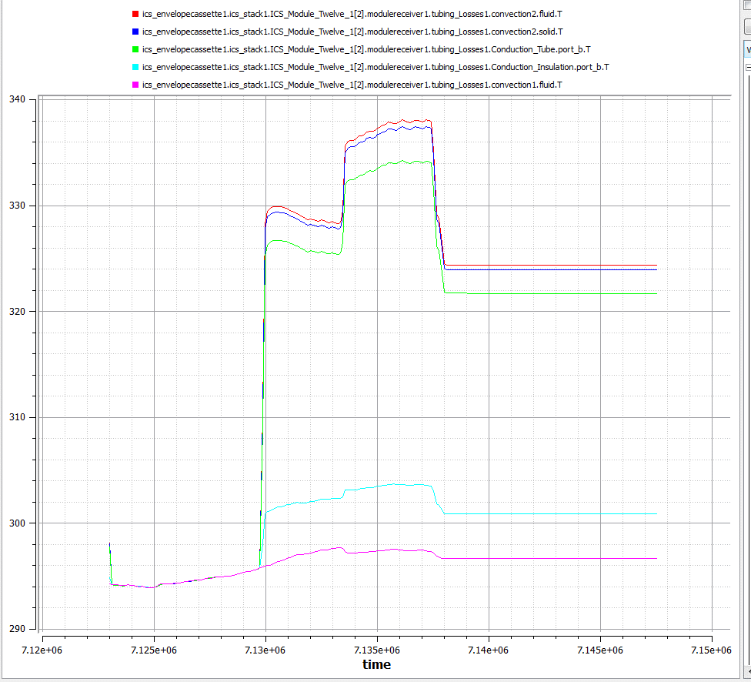
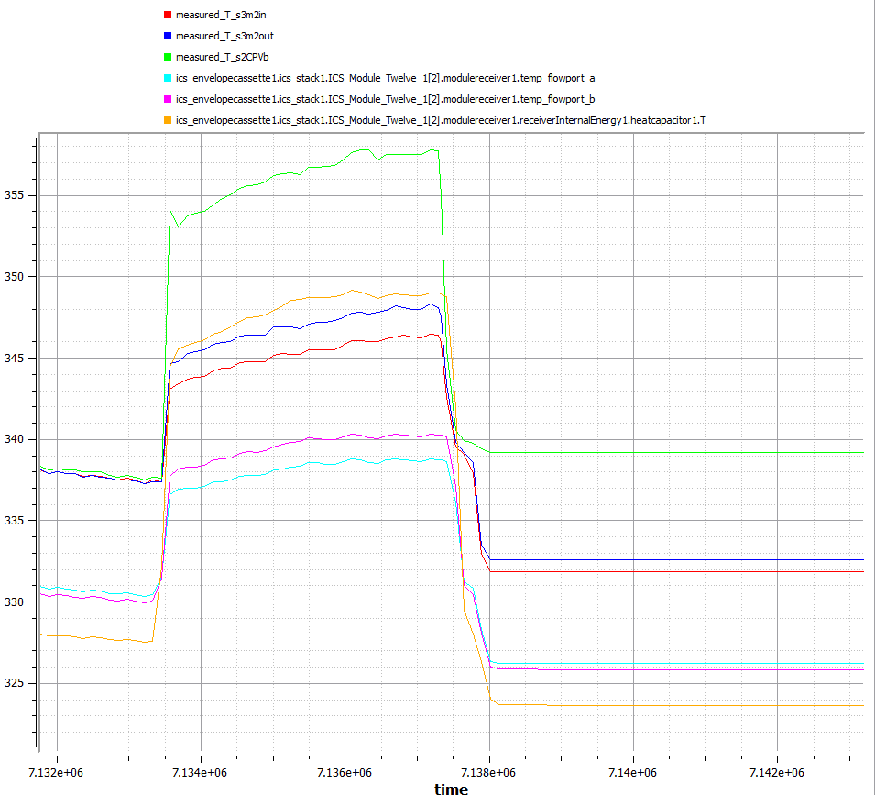

Real adj = 0.2;

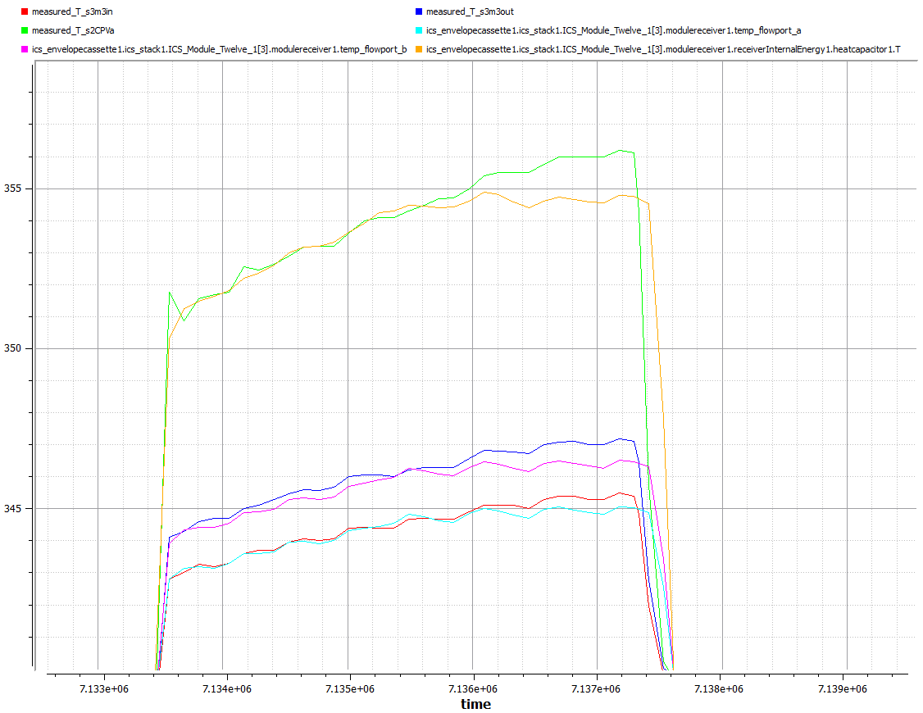
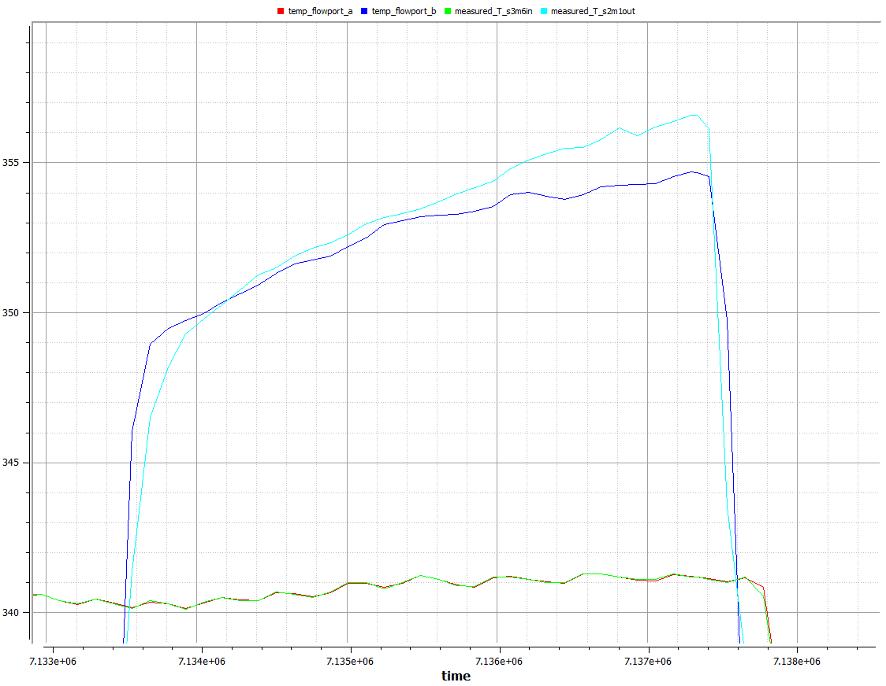

added adjustment 2 to compencate at the heat recevier
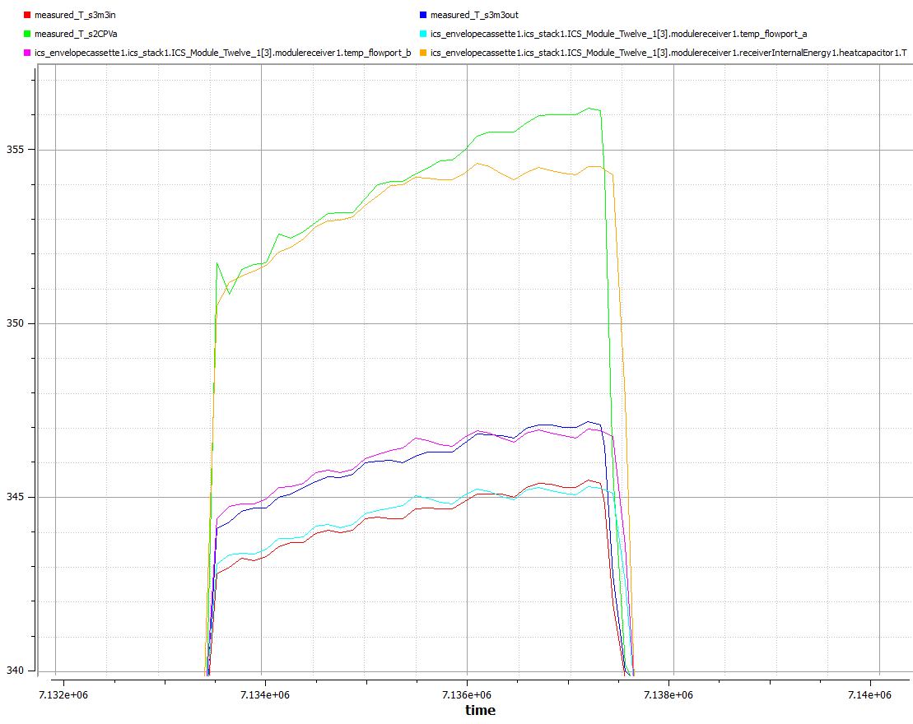
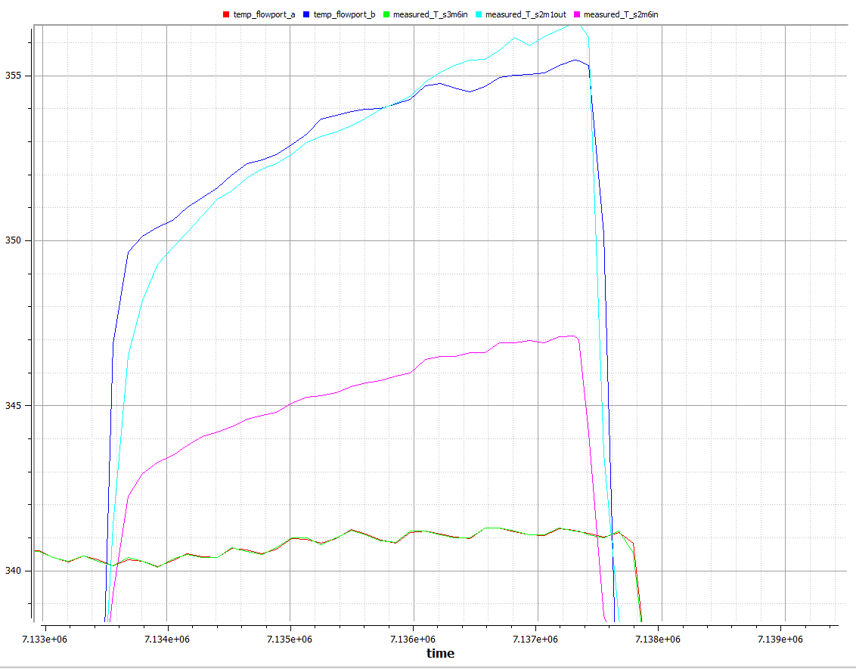

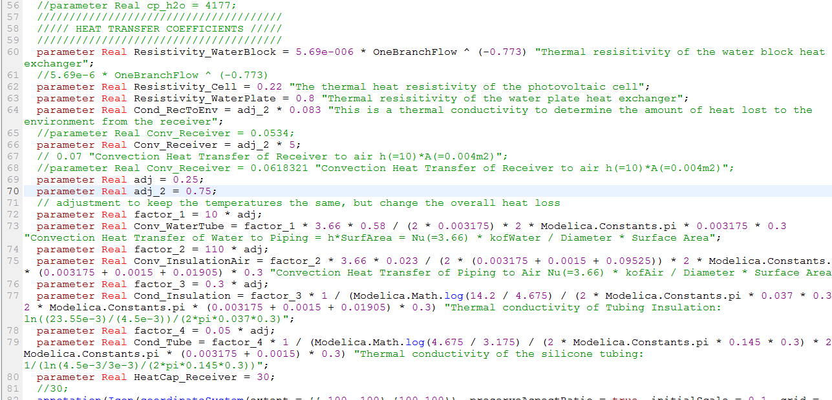

Concluding thoughts: The shadding factor near the end of the collection period seem to be over compensading, Will look into

Day 3 (5.22.15)
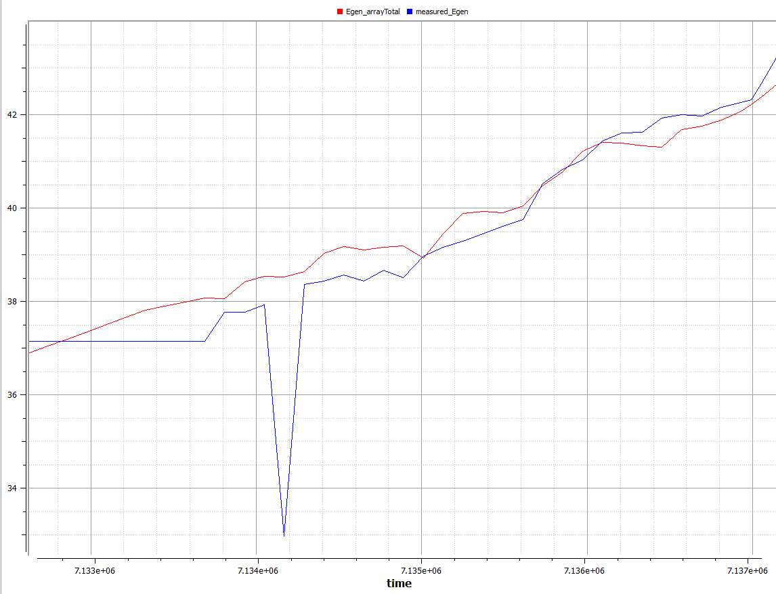
After reding Shading LUT to provide more fidility and less dicrete behaviour
Then modeled data seem to match the characteric of the observed
0. Current Results with revised shading LUTs
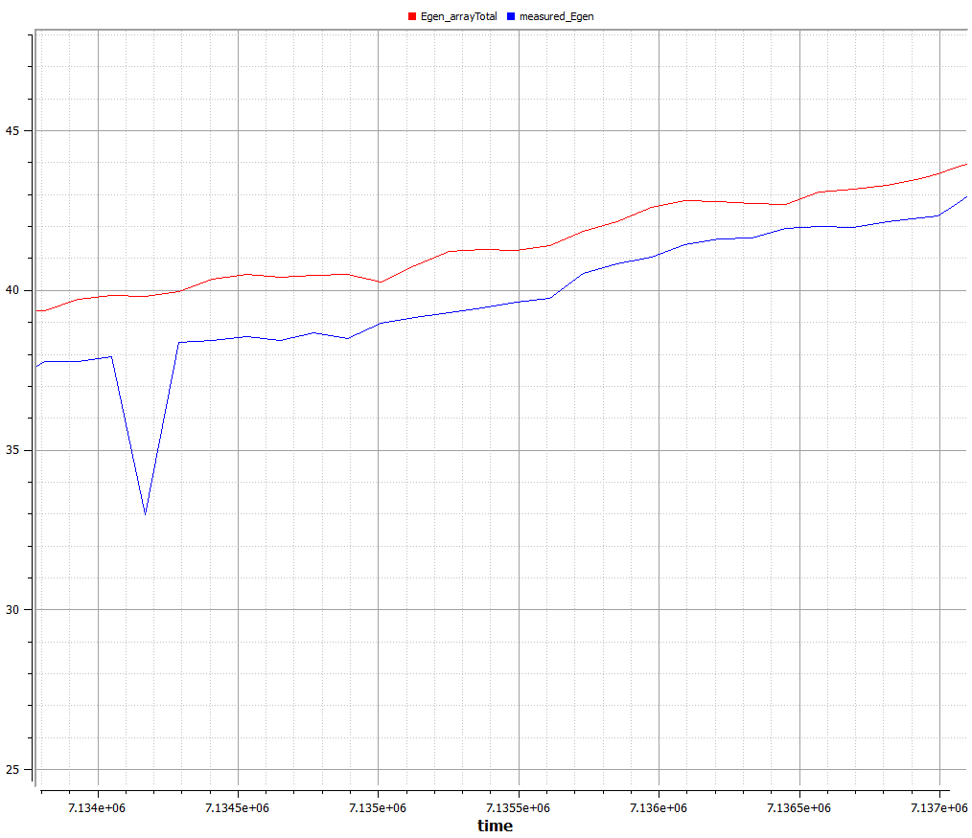

1. Results with lower optical efficiency: eta = 0.57

Day 4 (5.23.15)
Comparing Temperature at s3m3; inlet, outlet, and cell temp
current cell temp is a little too low

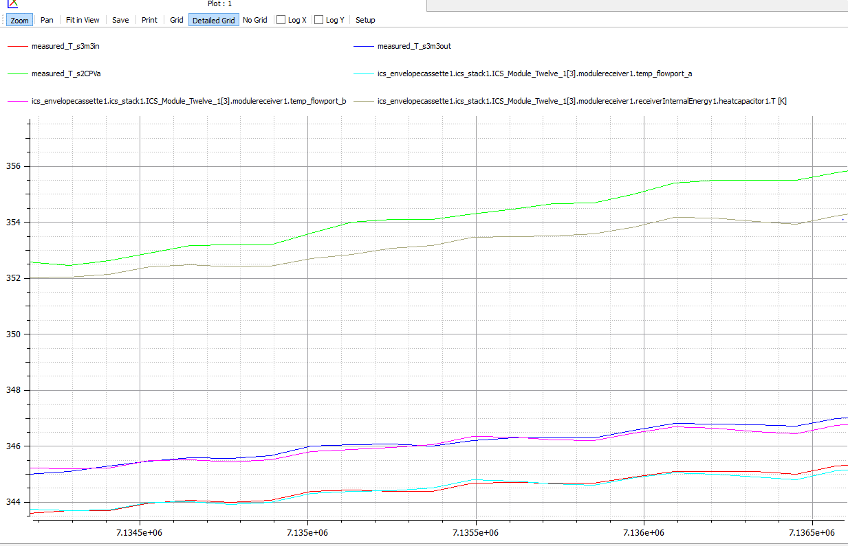

Looked at temp drop bewtween stacks and saw that is where the last temp is
After truing the temp drop to stack 1 was trued but the last temp flow port was less than the measured because stack 2 prefroms bettter than stack 1

the mehtod then is to average the difference between theses stack get the performance

tempFLOW PORT = 1171 |  |  | csv fiel locaton
measured_T_HTFout = 1149

adj_2 | RSME | adj_1
0.5 | 1.3028 | 0.25
0.45 | 1.623 | 0.25
0.55 | 1.0732 | 0.25
0.6 | 0.9911 | 0.25
0.65 | 1.0028 | 0.25

I meant to chagne adj_1
ajd_1 | adj_2 | RSME
0.2 | 0.75 | 1.0152
0.2 | 0.7 | 1.166
0.18 | 0.75 | 1.2651
0.19 | 0.75 | 1.1078
0.2 | 0.75 | 1.0152
0.21 | 0.75 | 1.0032
0.22 | 0.75 | 1.0732
0.21 | 0.7 | 1.0437

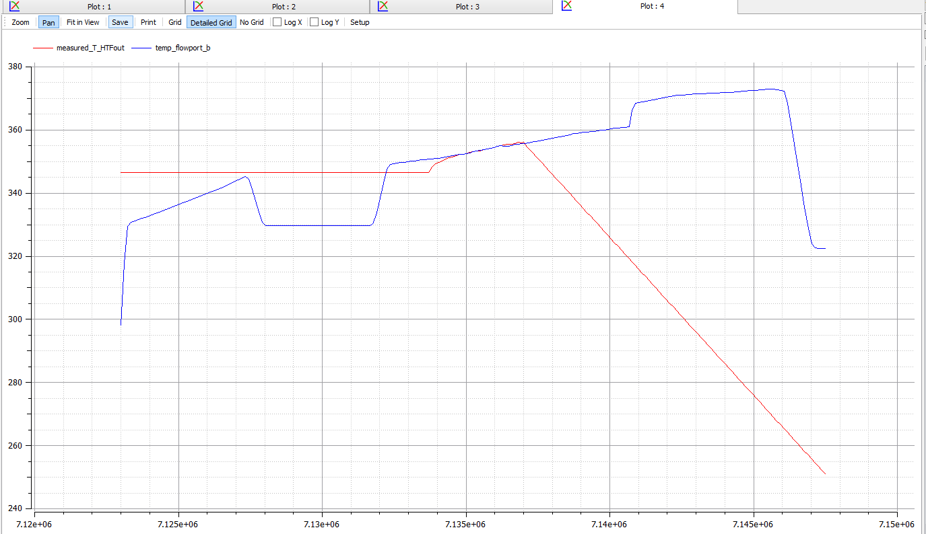

RSME is off because the interval was legacy from truing the electrical
therefore the ramp up temp curve is included in the RSME calculati
when view the transient fit, the temp from modelica match very nicley

Day 5 (5.24.15)
Adding Uncertainty in Measured data to ICSolar.mo

1. Adding measured Egen_Uncertainity
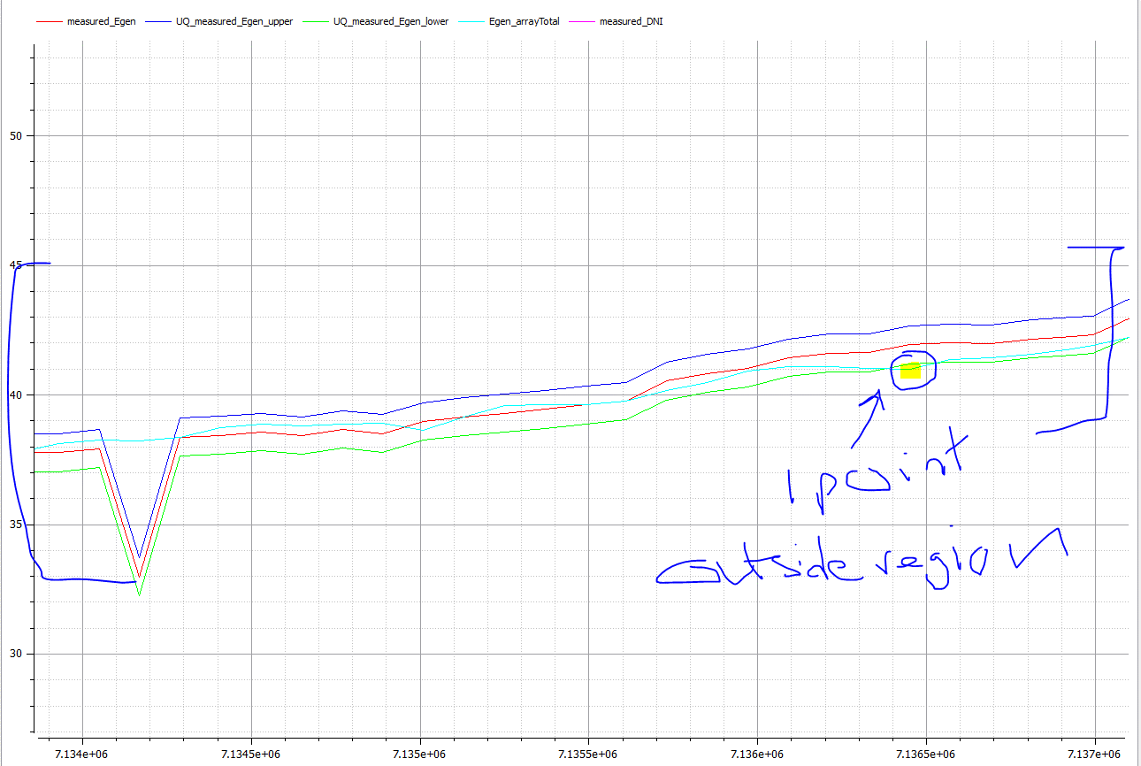

2. Adding Uncertaintiy to T_HTF_Out

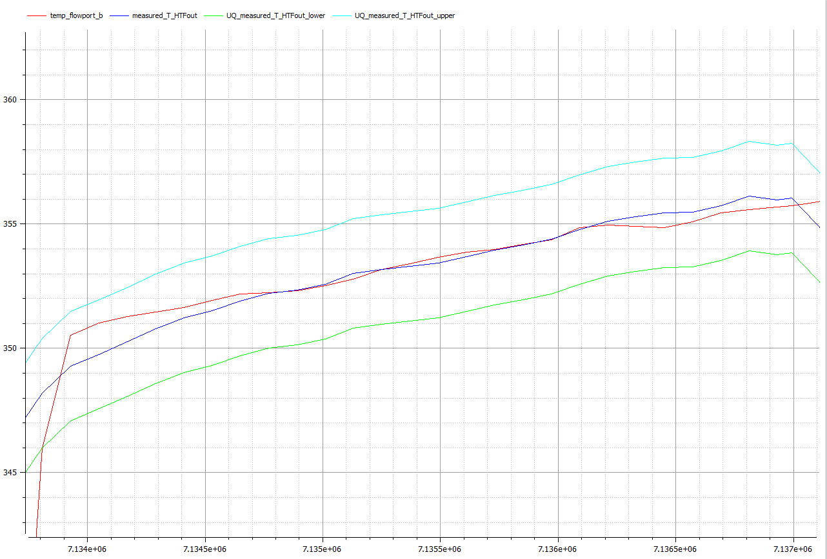

3. Tuning the Heat capacitor at the module to have the proper transient response

